BoardID
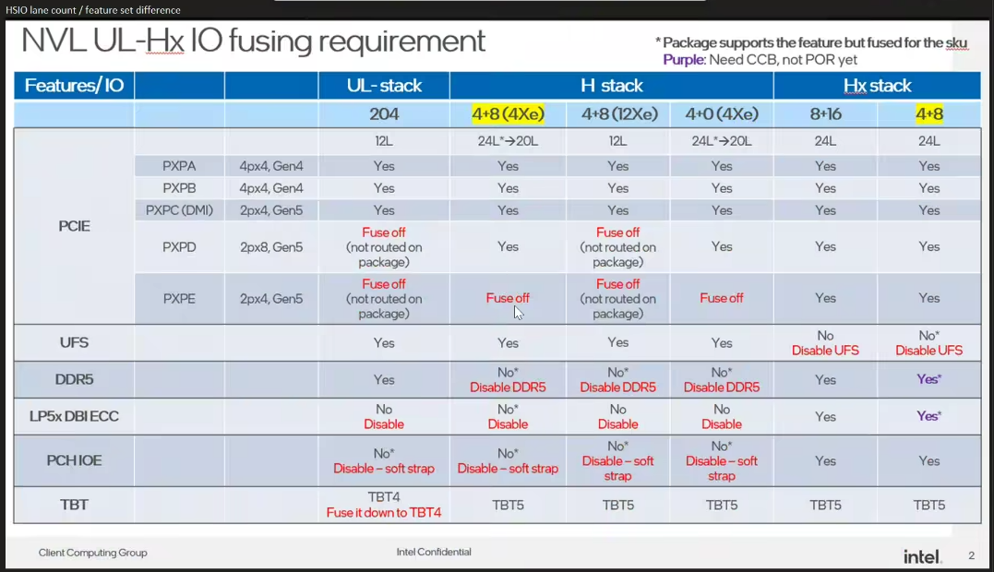
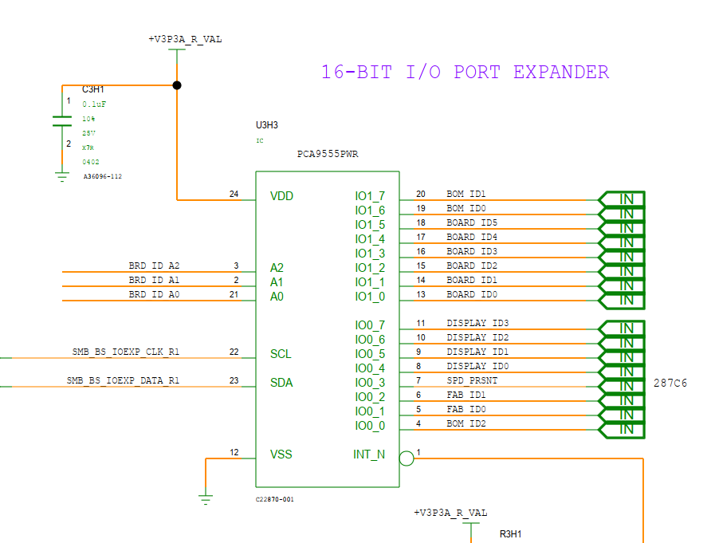
Intel Confidential - For internal Use Only

Refer below link for more details of vaious other SKUs supported
01_NVL_Board_ID_document

Board ID | 6 bits [5 : 0] | See table below
BOM ID | 3 bits [8:6] | 000-BOM1 001-BOM2 ….. See table below

FAB ID | 2 bits [10 : 9] | 00 - FAB1 01 - FAB2....

SPD_PRSNT | 1bit[11] | 0- BIOS hard codes SPD 1- User/factory programs SPD data into the module

Display ID | 4 bits [3:0] | See table below

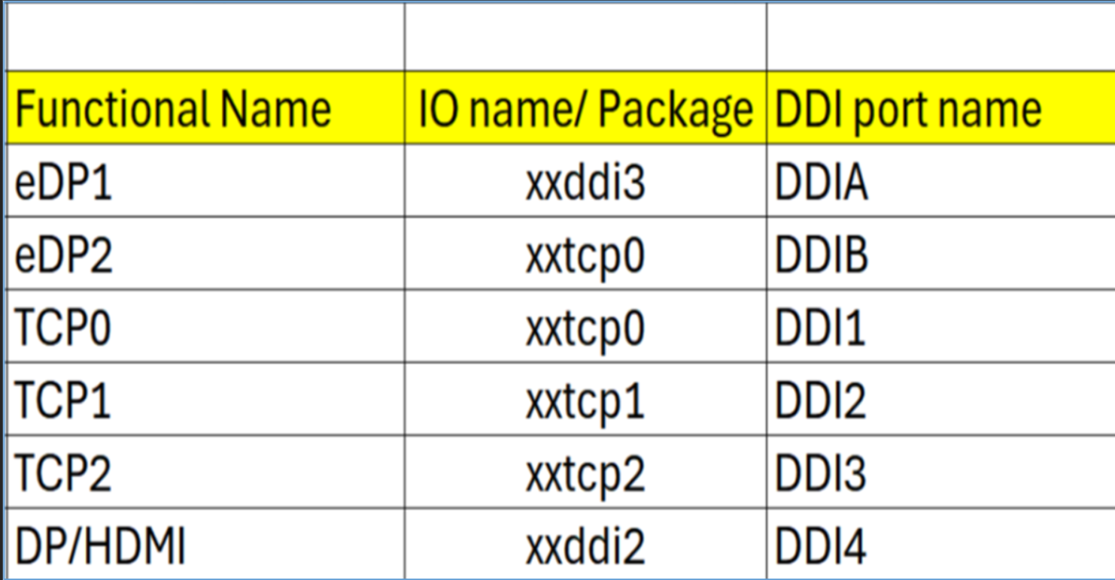
Sl No | Board SKU | Board Varient | Board Name/ID string | Board ID (hex) | Si | BOM SKU | BOM ID (binary) | Fab ID (binary) | DISPLAY_ID | SPD_PRSNT | PCH IOE Support | DMI / PXPC | PXPE | Remarks
14 | RVP-04 w/ 9.6G mem | RVP 041 | Hx LP5x T4 Mem Skt RVP w/ PCH IOE | 0x14 | HX | Hx Base | 0 - 000 | 00 | 1000 | 0 | Onboard | DMI | SSD
15 |  | RVP 042 | Hx LP5x T4 Mem SD RVP w/ PCH IOE |  | HX | Hx Base | 0 - 000 | 00 | 1000 | 0 | Onboard | DMI | SSD
16 |  | RVP 043 | Hx LP5x T4 Mem Skt PnP RVP w/ PCH IOE |  | HX | Hx Base | 0 - 000 | 00 | 1000 | 0 | Onboard | DMI | SSD
17 |  | RVP 044 | UPH LP5x T4 Mem Skt PnP RVP w/ PCH IOE*** |  | UPH / P-Z0 | UPH Base | 1 - 001 | 00 | 1000 | 0 | No | SSD | SSD
18 |  | -na- | Rework config ----- SOC PXPD from x8 to 2x4 |  | -na- | Rework config | 7 - 111 | 00 | 1000 | 0 | -na- | -na- | -na- | FED will contain rework details
19 | RVP-04m w/ 10.7G mem | RVP 041m | Hx LP5x T4 Mem Skt RVP w/ PCH IOE | 0x18 | HX | Hx Base | 0 - 000 | 00 | 1000 | 0 | Onboard | DMI | SSD
20 |  | RVP 042m | Hx LP5x T4 Mem SD RVP w/ PCH IOE |  | HX | Hx Base | 0 - 000 | 00 | 1000 | 0 | Onboard | DMI | SSD
21 |  | RVP 043m | Hx LP5x T4 Mem Skt PnP RVP w/ PCH IOE |  | HX | Hx Base | 0 - 000 | 00 | 1000 | 0 | Onboard | DMI | SSD
22 |  | RVP 044m | UPH LP5x T4 Mem Skt RVP w/ PCH IOE*** |  | UPH | UPH Base | 1 - 001 | 00 | 1000 | 0 | No | SSD | SSD
23 |  | RVP 045m | UPH LP5x T4 Mem SD RVP w/ PCH IOE*** |  | UPH | UPH Base | 1 - 001 | 00 | 1000 | 0 | No | SSD | SSD
24 |  | RVP 046m | UPH LP5x T4 Mem Skt PnP RVP w/ PCH IOE*** |  | UPH | UPH Base | 1 - 001 | 00 | 1000 | 0 | No | SSD | SSD
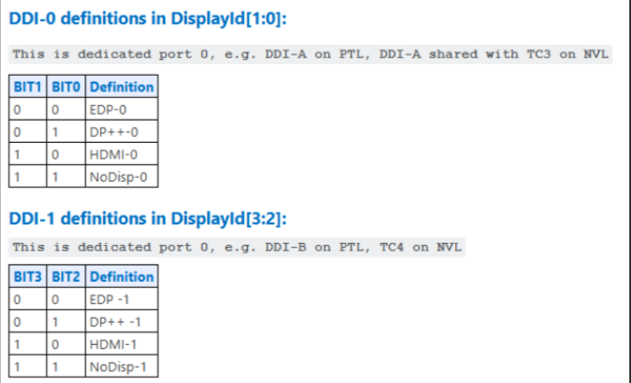
25 |  | RVP 047m | UPH LP5x T4 Mem SD PPV RVP w/ PCH IOE*** |  | UPH | PPV | 5 - 101 | 00 | 1000 | 0 | No | SSD | SSD

 | ** RVP031/ 032 IOE AIC HDR mounted, need Rework to enable DMI path |  |  |  |  | Base - Refers to SODIMM / LPCAMM / SKT / SD / PnP / MECC
 | *** For UPH BOM SKUs, rework is needed to enable the PCH IOE (DMI path)

 | Display ID | EC I/O EXP | Display |  |  | BOM SKU | BOM ID | Remarks
 | Display ID [1:0] | IO0_[5:4] (DDIA/DDI3) |  |  |  | Hx Base | 0 - 000 | Can repurpose for RVP-5,6,7
 |  | 00 | eDP |  |  | UPH Base | 1 - 001 | Can repurpose for RVP-2,3,7
 |  | 01 | DP |  |  | UL Base | 2 - 010 | Can repurpose for RVP-1,2,3,4,6
 |  | 10 | HDMI |  |  | PCH IOE AIC | 3 - 011 | Can repurpose for RVP-1,2,4,5,6,7
 |  | 11 | Reserved |  |  | CHROME | 4 - 100 | Don’t use this BOM ID for any other purpose
 | Display ID [3:2] | IO0_[7:6] (DDI-2) |  |  |  | PPV | 5 - 101 | Don’t use this BOM ID for any other purpose
 |  | 00 | eDP |  |  | Reserved | 6 - 110 | Can repurpose for any usecase - EPS/UFS/SD
 |  | 01 | DP |  |  | Rework config | 7 - 111 | FED will have Rework details (BIOS changes as "Rework_config" sheet)
 |  | 10 | HDMI
 |  | 11 | Reserved

UL Base
Place Holder for UL

4m base
Place Holder for RVP-04m

PCD-H_DISP
Ports | DDI Port | Connector Type | Remarks | AUX | DDC | HPD | Comments | DE owner
Combo Phy Port A | DDIA | eDP | eDP 1.5 | DDIA_AUX | NA | DDSP_HPDALV |  | Vishnu
Combo Phy Port B | DDI4 | HDMI | HDMI 2.1 | NA | DDI_AUX | DDSP_HPD4

Note : HDMI modules can be plugged on TCP0/1/2 port on NVL-HX T3 RVP to validate HDMI over TCP. Redriver part on module : PS8219QFN46ITR-B0 (Parade) Retimer part on HDMI module : PS8419QFN46ITR-B0 (Parade) Retimer part on RVP01: PS8419QFN46GTR-A1

Package Ball Name | Port Name | Functional Name | Comments
xxddi3 | DDIA | eDP or HDMI
xxddi2 | DDI4 | HDMI
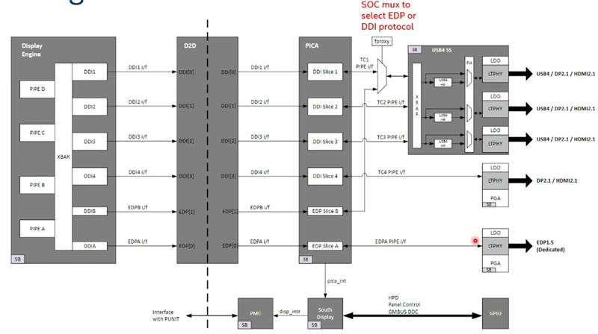
xxtcp0/1/2 | DDI1/2/3 | DP altmode (Type-C) / HDMI using TCSS module | No solder down HDMI
xxtcp0 | DDIB | eDP2 using TCSS module

Display ID | EC I/O EXP | Display
Display ID [1:0] | IO0_[5:4] (DDIA/DDI3)
 | 00 | eDP
 | 01 | DP
 | 10 | HDMI
 | 11 | Reserved
Display ID [3:2] | IO0_[7:6] (DDI-2)
 | 00 | eDP
 | 01 | DP
 | 10 | HDMI
 | 11 | Reserved

Display ID | 1000

PCD-H_Mod_TCSS
Pin name | Netname | Type-C / TBT Module | HDMI Module | Type-A Module | eDP Module | DE owner
GPP_C_16_TBT_LSX0_A_DDP1_CTRLCLK | MOD_TCSS0_LS_RX_DDC_SDA | Native F1 | Native F2 | Not used | Not used | Naseef
GPP_C_17_TBT_LSX0_B_DDP1_CTRLDATA | MOD_TCSS0_LS_TX_DDC_SCL | Native F1 | Native F2 | Not used | Not used
GPP_C_18_TBT_LSX1_A_DDP2_CTRLCLK | MOD_TCSS1_LS_RX_DDC_SDA | Native F1 | Native F2 | Not used | Not used
GPP_C_19_TBT_LSX1_B_DDP2_CTRLDATA | MOD_TCSS1_LS_TX_DDC_SCL | Native F1 | Native F2 | Not used | Not used
GPP_C_20_TBT_LSX2_A_DDP3_CTRLCLK | MOD_TCSS2_LS_RX_DDC_SDA | Native F1 | Native F2 | Not used | Not used
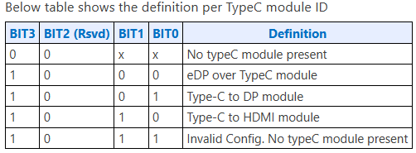
GPP_C_21_TBT_LSX2_B_DDP3_CTRLDATA | MOD_TCSS2_LS_TX_DDC_SCL | Native F1 | Native F2 | Not used | Not used
GPP_B_9_DDSP_HPD1_B_DISP_MISC1 | MOD_TCSS0_DISP_HPD1 | Not used | Native F2 | Not used | Native F2
GPP_B_10_DDSP_HPD2_B_DISP_MISC2 | MOD_TCSS1_DISP_HPD2 | Not used | Native F2 | Not used | Native F2
GPP_B_11_USB2_OC1_B_DDSP_HPD3_B_DISP_MISC3 | MOD_TCSS2_DISP_HPD3 | Not used | Native F2 | Not used | Native F2
GPP_B_15_USB2_OC3_B_A_ISH_GP_6 | MOD_TCSS_USB_TYP_A_OC3_N | Not used | Not used | Native F1 | Not used
GPP_B_17_L_VDDEN2 | MOD_TCSS0_EDP_VDD_EN | Not used | Not used | Not used | Native F2
GPP_D_1_A_I2C3_SDA_L_BKLTEN2_A_ISH_I2C2_SDA | MOD_TCSS0_TYP_A_VBUS_EN_EDP_BKLT_EN | Not used | Not used | Not used | Native F2
GPP_D_2_A_I2C3_SCL_L_BKLTCTL2_A_ISH_I2C2_SCL | MOD_TCSS0_EDP_BKTL_CTRL | Not used | Not used | Not used | Native F2

TCP Port | Golden config (as per SiV config)
TCP0 | RBR/JBR with TI PD
TCP1 | RBR/JBR with TI PD
TCP2 | RBR/JBR with TI PD

NOTE : All Modular IO TCP ports are configured for USB4 80G by default.
Since the dynamic module detection with NVL silicon can detect and configure TCP port IO configuration accordingly.

COLOUR CODE :-
Control Clk and Data signals
HPD signals
Backlight related signals
OC signals

PCD-H_ISH
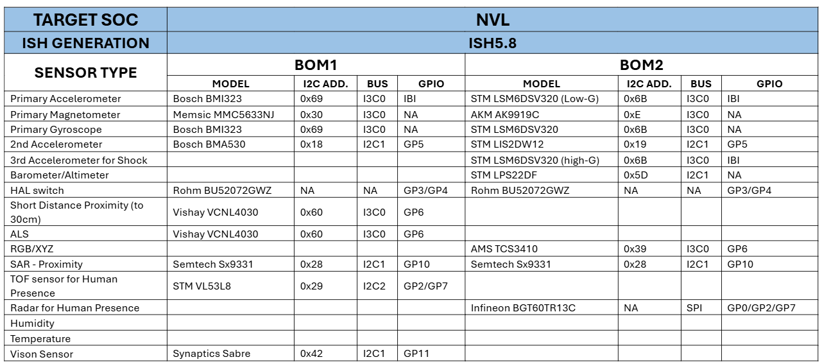
Interface Port ISH_I2C or ISH_13C | Sensors | BOM1 | BOM1/BOM2 | Speed | I2C/I3C Address | I2C IO Voltage | Interface Voltage | FM+ Compliant? | DE owner
ISH_I3C0 | 3-axis Accelerometer/3-axis Gyroscope | Bosch BMI323 | BOM1 | 2M | 0x69 | 1.8V | 1.8V | No | Vishnu
ISH_I3C0 | 3-axis Accelerometer / 3-axis Gyroscope | ST LSM6DSV256 | BOM2 | 2M | 0x6B | 1.8V | 1.8V | No
ISH_I3C0 | 3-axis Magnetometer | Memsic MMC5633NJ | BOM1 | 2M | 0x30 | 1.8V | 1.8V | No
ISH_I3C0 | 3-axis Magnetometer | AKM AK9919C | BOM2 | 2M | 0xC | 1.8V | 1.8V | No
ISH_I2C1 | Barometer/Altimeter | ST LPS22DF | BOM2 | 100K/400K | 0X5d | 1.8V | 1.8V | No
ISH_I3C0 | ALS/Short proximity | Vishay VCNL4030 | BOM1 | 2M | 0x60 | 1.8V | 1.8V | No
ISH_I3C0 | RGB/XYZ | AMS TCS3410 | BOM2 | 2M | 0x39 | 1.8V | 1.8V | No
ISH_I2C1 | SAR - Proximity | Semtech SX9331 | BOM1 | 100K/400K | 0x28 | 1.8V | 1.8V | No
ISH_I2C1 | SAR - Proximity | Semtech SX9331 | BOM2 | 100K/400K | 0x28 | 1.8V | 1.8V | No
ISH_I2C1 | 2nd Accelerometer | Bosch BMA530 | BOM1 | 100K/400K/1M | 0x18 | 1.8V | 1.8V | No
ISH_I2C1 | 2nd Accelerometer | ST LIS2DW12 | BOM2 | 100K/400K | 0x19 | 1.8V | 1.8V | No
GPIO | HAL switch | Rohm BU52072GWZ | BOM1 | NA | NA | 1.8V | 1.8V | No
GPIO | HAL switch | Rohm BU52072GWZ | BOM2 | NA | NA | 1.8V | 1.8V | No
ISH_SPI | Human Presence | Infineon BGT60TR13C | BOM2 | 16M/25M | NA | 1.8V | 1.8V | No
ISH_I2C2 | TOF Sensor | STM VL53L8 | BOM1 | 400K/1M | 0x29 | 1.8V | 1.8V | No
ISH_I2C1 | Vison Sensor | Synaptics Sabre | CRD CONN | NA | NA | 1.8V | 1.8V | No

Port name | NVL-HX RVP Connection
ISH I2C0/I3C0 | ISH_I3C0 for MoSAIC HDR (Default)
ISH I2C1/I3C1 | ISH_I321 for MoSAIC HDR (Default), Synaptics CVS(Default)
ISH I2C2 | ISH_I2C2 for MoSAIC HDR (Default)
ISH_SPI | Connected to Sensor HDR

